Support_Docs
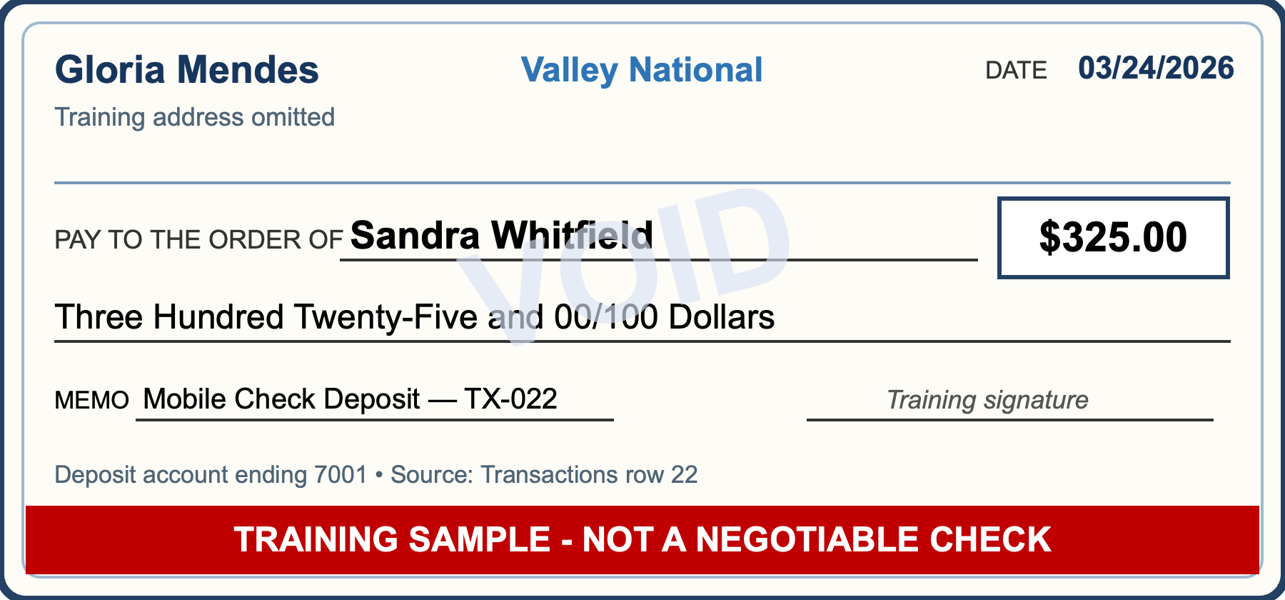
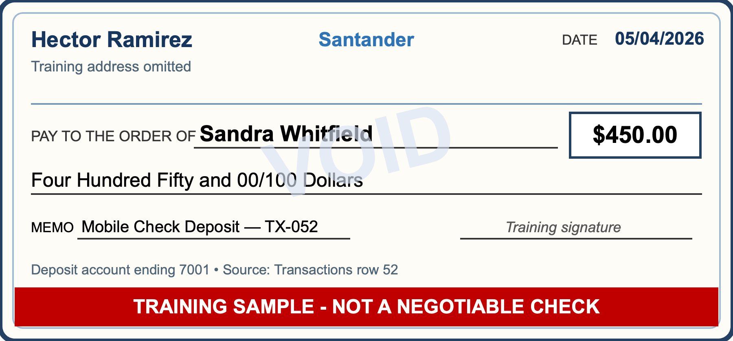
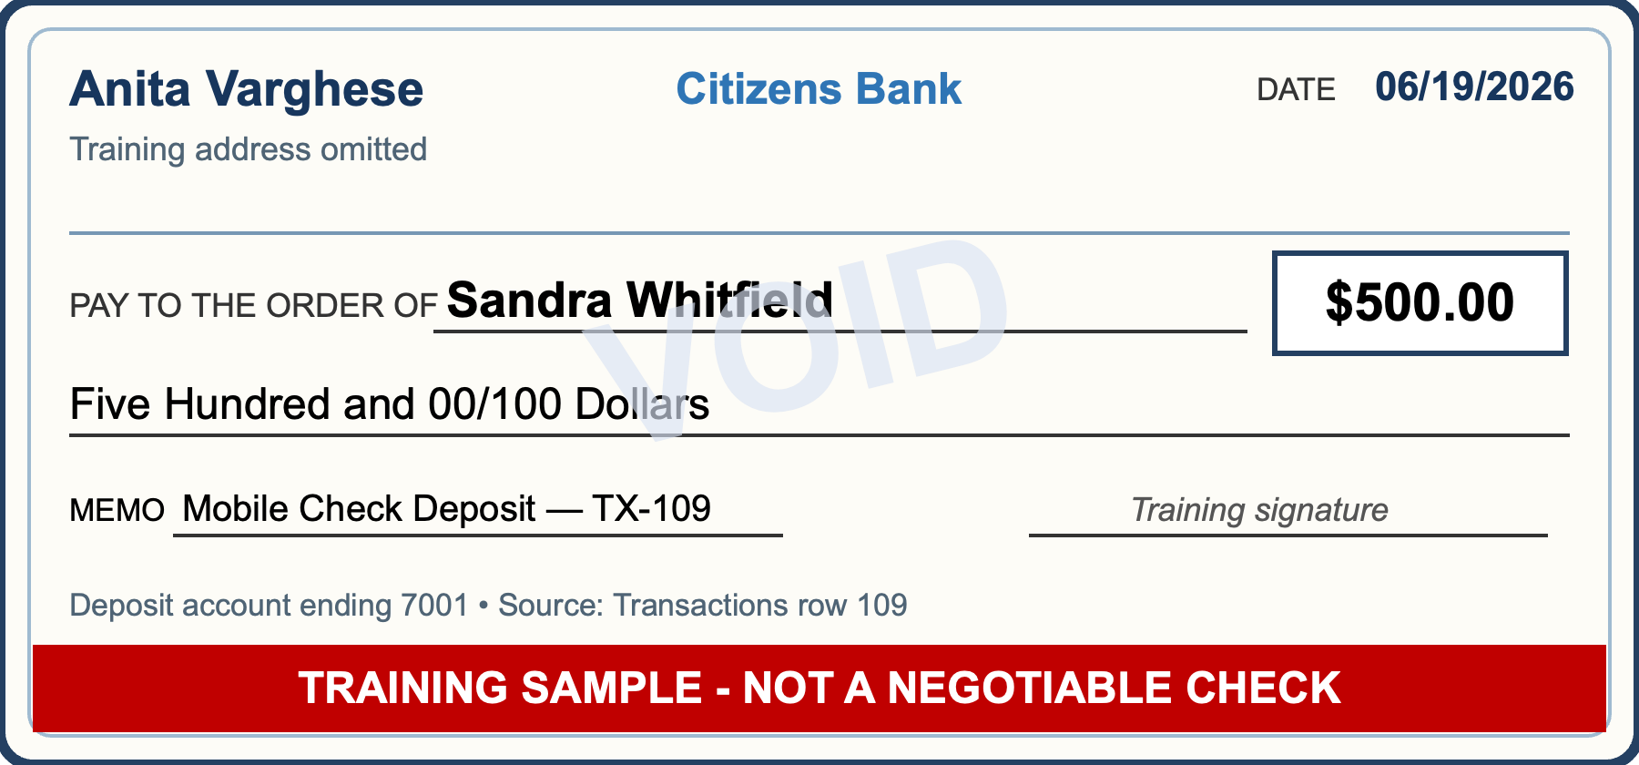
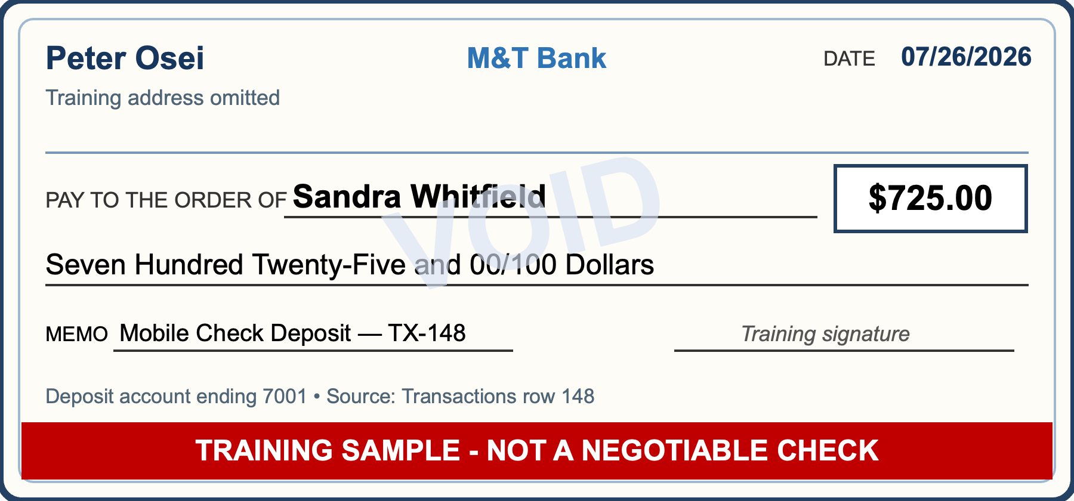
SUPPORTING DOCUMENTS — TRAINING CHECK SAMPLES
Representative mobile check deposits reproduced from Transactions for case-study review.
TRAINING SAMPLE - NOT A NEGOTIABLE CHECK

